Front1
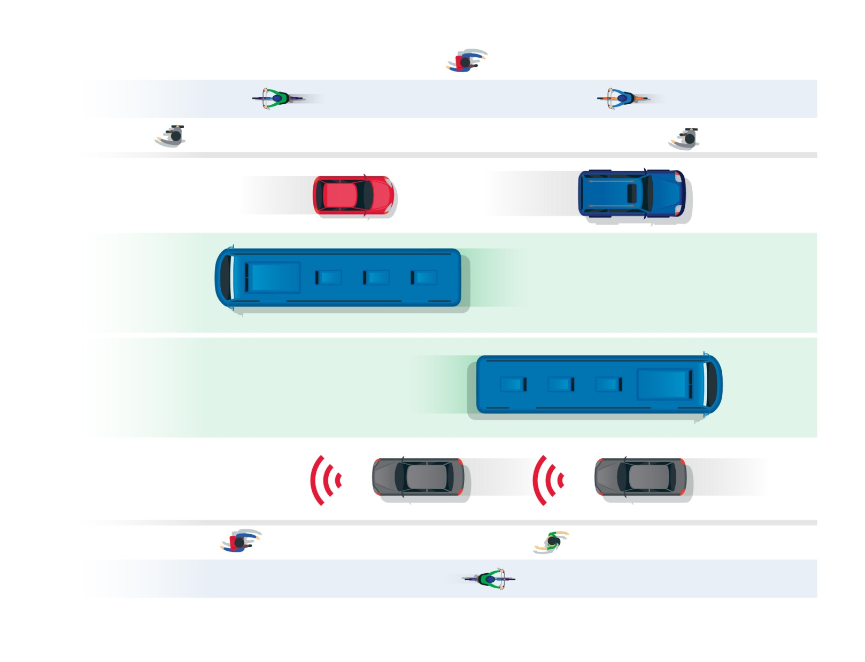

ROADSPACE ALLOCATION
OPTION APPRAISAL TOOL

This project has received funding from the European Union’s Horizon 2020 research and innovation programme under grant agreement No. 769458

